Wax Jackets
Royal Paddock |  |  |  |  |  |  |  |  | RRP | Price
Made in England |  |  |  |  |  |  |  |  | £120.00 | £20.00
IMAGE | DESCRIPTION | COLOUR | XS | S | M | L | XL | 2XL | 3XL | TOTAL
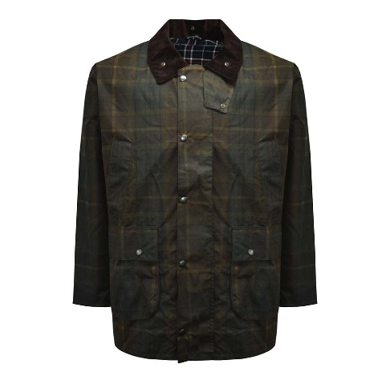 | CHECK WAX JACKET WITH HOOD & BELLOWS POCKET | BROWN CHECK WAX | 6 | 48 | 58 | 50 | 43 | 50 | 29 | 284

